Currencies
CONVERTER CURRENCY
Currency | Description
USD | US Dollar
EUR | Euro
GBP | British Pound
INR | Indian Rupee
AUD | Australian Dollar
CAD | Canadian Dollar
SGD | Singapore Dollar
CHF | Swiss Franc
MYR | Malaysian Ringgit
JPY | Japanese Yen
CNY | Chinese Yuan Renminbi
NZD | New Zealand Dollar
THB | Thai Baht
HUF | Hungarian Forint
AED | Emirati Dirham
HKD | Hong Kong Dollar
MXN | Mexican Peso
ZAR | South African Rand
PHP | Philippine Peso
SEK | Swedish Krona
IDR | Indonesian Rupiah
SAR | Saudi Arabian Riyal
BRL | Brazilian Real
TRY | Turkish Lira
KES | Kenyan Shilling
KRW | South Korean Won
EGP | Egyptian Pound
IQD | Iraqi Dinar
NOK | Norwegian Krone
KWD | Kuwaiti Dinar
RUB | Russian Ruble
DKK | Danish Krone
PKR | Pakistani Rupee
ILS | Israeli Shekel
PLN | Polish Zloty
QAR | Qatari Riyal
XAU | Gold Ounce
OMR | Omani Rial
COP | Colombian Peso
CLP | Chilean Peso
TWD | Taiwan New Dollar
ARS | Argentine Peso
CZK | Czech Koruna
VND | Vietnamese Dong
MAD | Moroccan Dirham
JOD | Jordanian Dinar
BHD | Bahraini Dinar
XOF | CFA Franc
LKR | Sri Lankan Rupee
UAH | Ukrainian Hryvnia
NGN | Nigerian Naira
TND | Tunisian Dinar
UGX | Ugandan Shilling
RON | Romanian Leu
BDT | Bangladeshi Taka
PEN | Peruvian Sol
GEL | Georgian Lari
XAF | Central African CFA Franc BEAC
FJD | Fijian Dollar
VEF | Venezuelan Bolívar
VES | Venezuelan Bolívar
BYN | Belarusian Ruble
HRK | Croatian Kuna
UZS | Uzbekistani Som
BGN | Bulgarian Lev
DZD | Algerian Dinar
IRR | Iranian Rial
DOP | Dominican Peso
ISK | Icelandic Krona
XAG | Silver Ounce
CRC | Costa Rican Colon
SYP | Syrian Pound
LYD | Libyan Dinar
JMD | Jamaican Dollar
MUR | Mauritian Rupee
GHS | Ghanaian Cedi
AOA | Angolan Kwanza
UYU | Uruguayan Peso
AFN | Afghan Afghani
LBP | Lebanese Pound
XPF | CFP Franc
TTD | Trinidadian Dollar
TZS | Tanzanian Shilling
ALL | Albanian Lek
XCD | East Caribbean Dollar
GTQ | Guatemalan Quetzal
NPR | Nepalese Rupee
BOB | Bolivian Bolíviano
ZWD | Zimbabwean Dollar
BBD | Barbadian or Bajan Dollar
CUC | Cuban Convertible Peso
LAK | Lao Kip
BND | Bruneian Dollar
BWP | Botswana Pula
HNL | Honduran Lempira
PYG | Paraguayan Guarani
ETB | Ethiopian Birr
NAD | Namibian Dollar
PGK | Papua New Guinean Kina
SDG | Sudanese Pound
MOP | Macau Pataca
NIO | Nicaraguan Cordoba
BMD | Bermudian Dollar
KZT | Kazakhstani Tenge
PAB | Panamanian Balboa
BAM | Bosnian Convertible Mark
GYD | Guyanese Dollar
YER | Yemeni Rial
MGA | Malagasy Ariary
KYD | Caymanian Dollar
MZN | Mozambican Metical
RSD | Serbian Dinar
SCR | Seychellois Rupee
AMD | Armenian Dram
SBD | Solomon Islander Dollar
AZN | Azerbaijan Manat
SLL | Sierra Leonean Leone
TOP | Tongan Pa'anga
BZD | Belizean Dollar
MWK | Malawian Kwacha
GMD | Gambian Dalasi
BIF | Burundian Franc
SOS | Somali Shilling
HTG | Haitian Gourde
GNF | Guinean Franc
MVR | Maldivian Rufiyaa
MNT | Mongolian Tughrik
CDF | Congolese Franc
STN | Sao Tomean Dobra
TJS | Tajikistani Somoni
KPW | North Korean Won
MMK | Burmese Kyat
LSL | Basotho Loti
LRD | Liberian Dollar
KGS | Kyrgyzstani Som
GIP | Gibraltar Pound
XPT | Platinum Ounce
MDL | Moldovan Leu
CUP | Cuban Peso
KHR | Cambodian Riel
MKD | Macedonian Denar
VUV | Ni-Vanuatu Vatu
MRU | Mauritanian Ouguiya
ANG | Dutch Guilder
SZL | Swazi Lilangeni
CVE | Cape Verdean Escudo
SRD | Surinamese Dollar
XPD | Palladium Ounce
SVC | Salvadoran Colon
BSD | Bahamian Dollar
XDR | IMF Special Drawing Rights
RWF | Rwandan Franc
AWG | Aruban or Dutch Guilder
DJF | Djiboutian Franc
BTN | Bhutanese Ngultrum
KMF | Comorian Franc
WST | Samoan Tala
SPL | Seborgan Luigino
ERN | Eritrean Nakfa
FKP | Falkland Island Pound
SHP | Saint Helenian Pound
JEP | Jersey Pound
TMT | Turkmenistani Manat
TVD | Tuvaluan Dollar
IMP | Isle of Man Pound
GGP | Guernsey Pound
ZMW | Zambian Kwacha

Screenshots Test
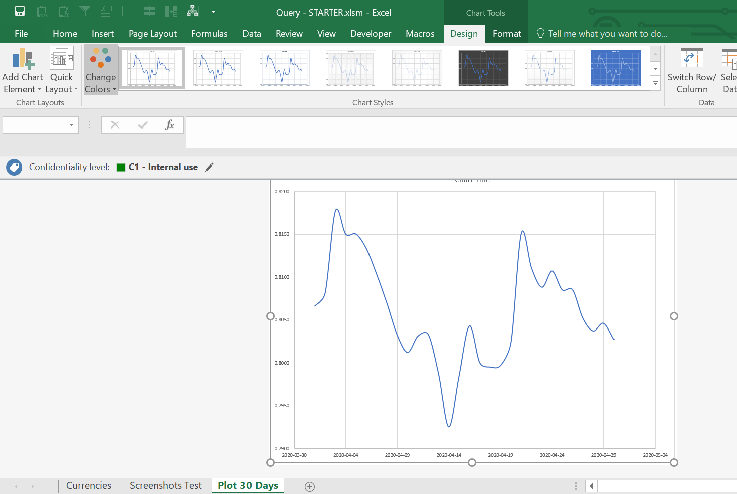
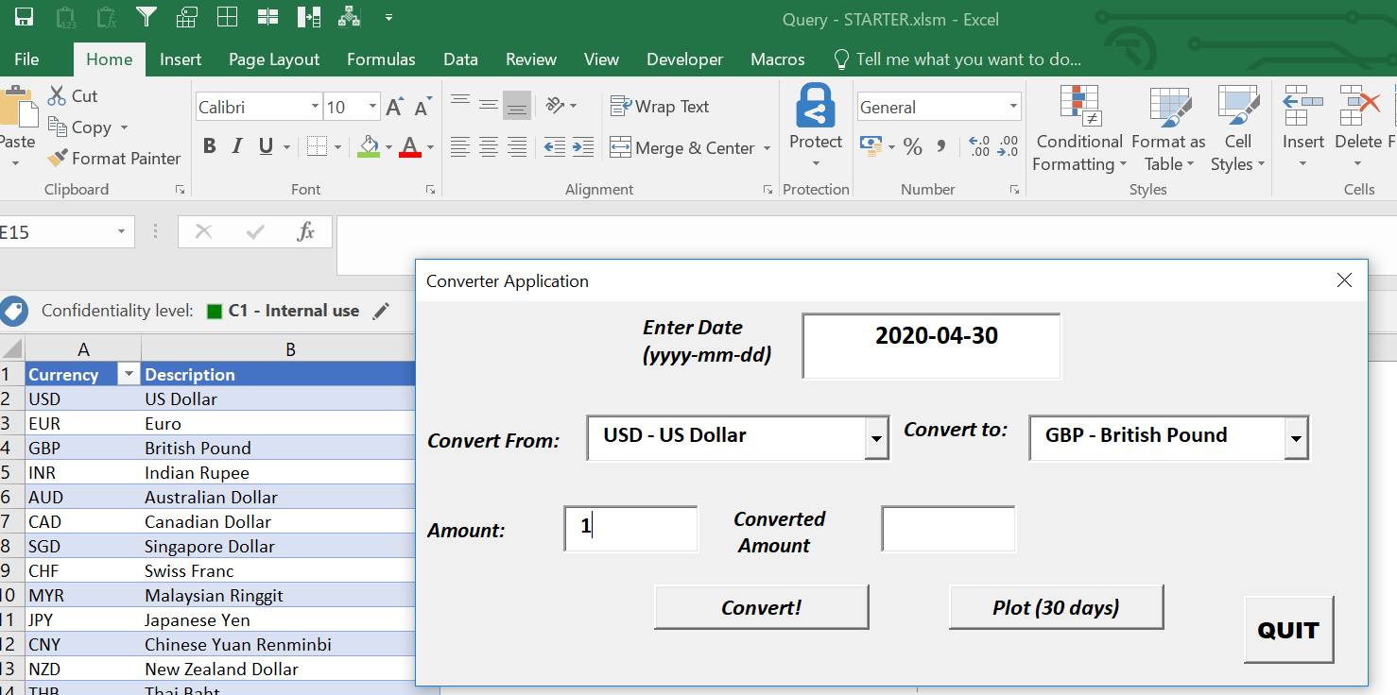
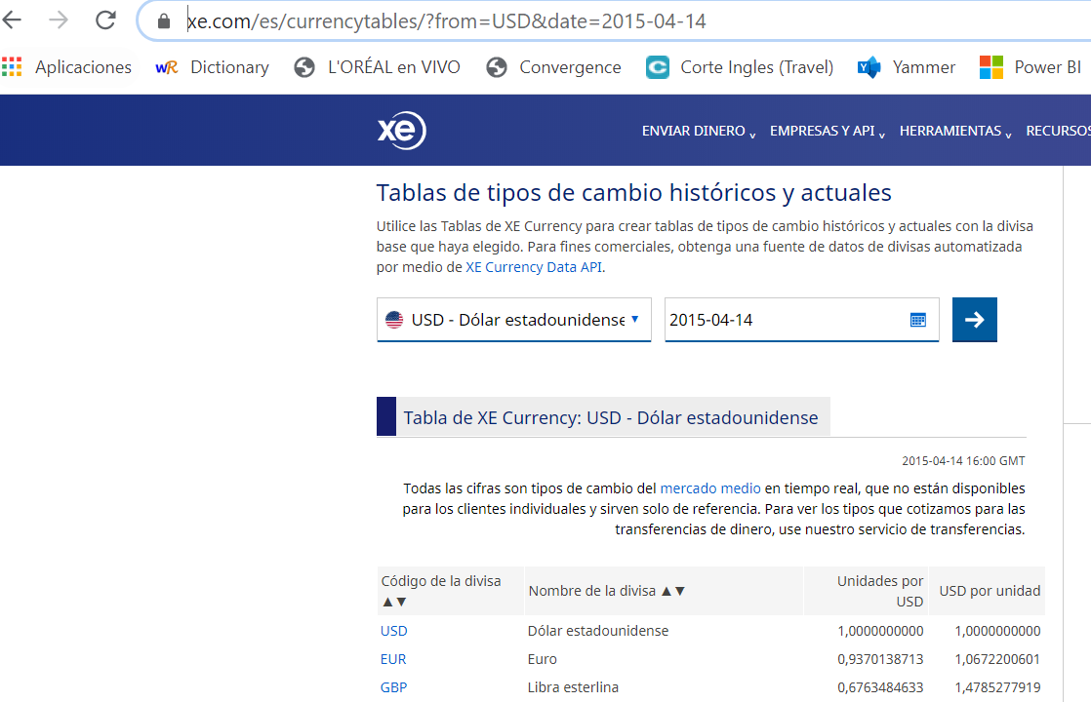

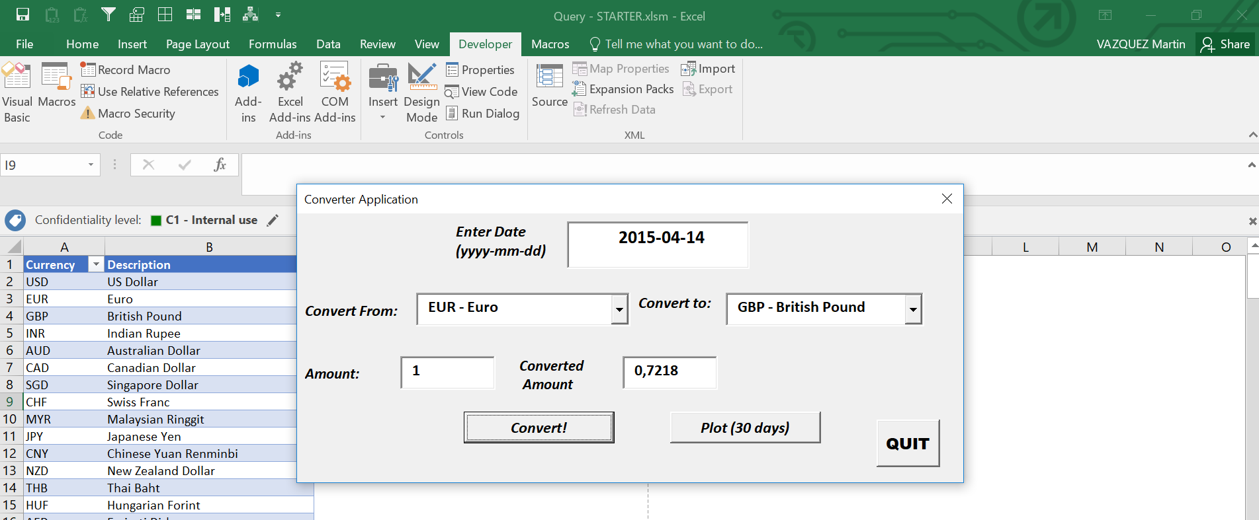

 | Units per USD | Conversion
EUR | 0.9370138713 | 1.0000
GBP | 0.6763484633 | 0.7218

